Statistics & Graph
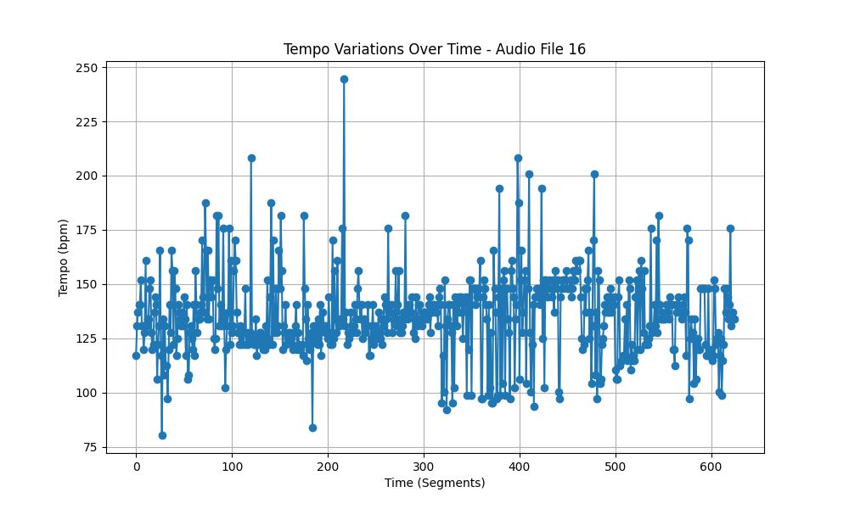
Metric | Value
Mean | 135.38525562
Standard Deviation | 18.669594021
Coefficient of Variation (CV) | 13.789975826

